Sheet1
BOOTH SALE COOKIE VARIETY CALCULATOR
 | Hours
Enter the number of hours for your troop's booth in the box, press Enter: |  | (Average sale = 32 pkgs per hour) Some locations are busier than others especially early in the cookie program.
Use your best judgement when deciding the amount of cookies to order; this calculator is only a tool to help make that decision. Your troop is financially responsible for all cookies ordered and picked up from a cupboard! Please remember that cookies cannot be returned or exchanged so order carefully. **Total Cases are rounded
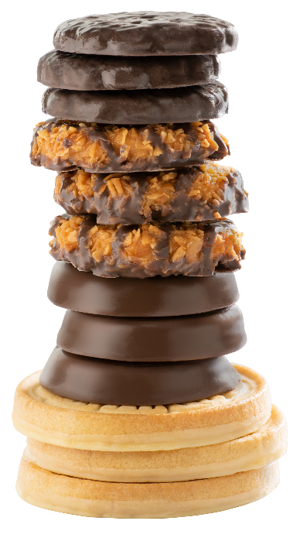
 | Pkgs | Total Cases Needed
Recommended Order: | 0 | 0
Adventurefuls | 0 | 0 | 8%
Exploremores | 0 | 0 | 9%
Lemonades | 0 | 0 | 10%
Trefoils | 0 | 0 | 6%
Thin Mints | 0 | 0 | 25%
Peanut Butter Patties | 0 | 0 | 17%
Caramel deLites | 0 | 0 | 15%
Peanut Butter Sandwich | 0 | 0 | 10%
 | 0 | 0 | 100%

