Sheet1
BOOTH SALE COOKIE VARIETY CALCULATOR
 | Hours
Enter the number of Booth Sale Hours your troop plans to participate in the next box, press Enter: |  | (Average sale = 25 pkgs per hour)
Use your best judgement when deciding the amount of cookies to order; this calculator is only a tool to help make that decision. Your troop is financially responsible for all cookies ordered! Please remember that cookies cannot be returned or exchanged so order carefully.
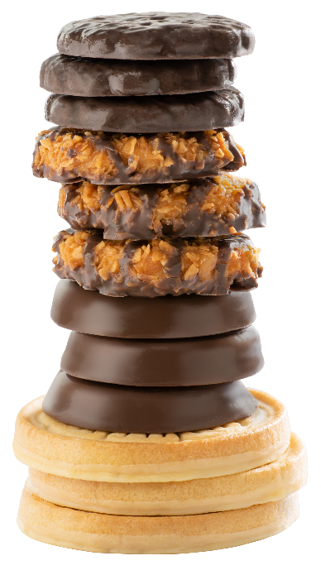
 | Pkgs | Total Cases Needed
Recommended Order: | 0 | 0
Adventurefuls | 0 | 0 | 9%
Exploremores | 0 | 0 | 9%
Lemonades | 0 | 0 | 11%
Shortbread | 0 | 0 | 6%
Thin Mints | 0 | 0 | 24%
Peanut Butter Patties | 0 | 0 | 15%
Caramel deLites | 0 | 0 | 18%
Peanut Butter Sandwich | 0 | 0 | 8%
 | 0 | 0 | 100%

